Sheet1
TEAM NAME:
CONTACT:
E-MAIL:
TELEPHONE:
ADDRESS:

Mark X on Design

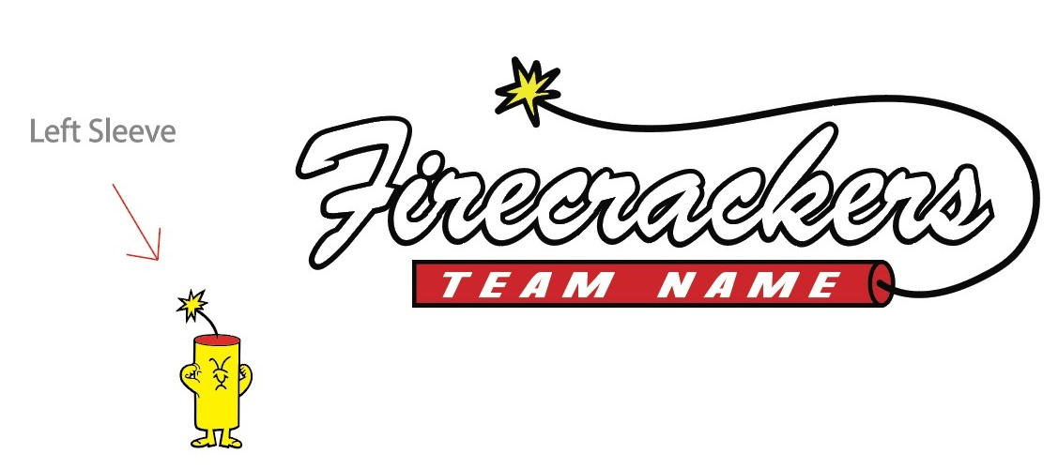

Horizontal Design |  |  |  |  |  |  |  |  | Firecracker Design

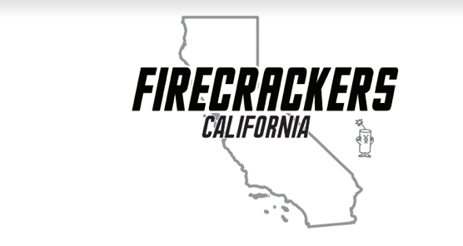
 |  |  |  |  |  |  |  |  |  |  |  |  |  | Block Design

Circle Design |  |  |  |  |  |  |  |  | State Design

ITEM | Price | YS | YM | YL | YXL | XS | S | M | L | XL | 2XL | 3XL | 4XL | 5XL | Total QTY | TOTAL
DRIFIT T-SHIRT PINK | $32.00 |  |  |  |  |  |  |  |  |  |  |  |  |  | 0 | $0.00
DRIFIT T-SHIRT CHARCOAL | $32.00 |  |  |  |  |  |  |  |  |  |  |  |  |  | 0 | $0.00
DRIFIT T-SHIRT RED | $32.00 |  |  |  |  |  |  |  |  |  |  |  |  |  | 0 | $0.00
DRIFIT T-SHIRT BLACK | $32.00 |  |  |  |  |  |  |  |  |  |  |  |  |  | 0 | $0.00
DRIFIT T-SHIRT WHITE | $32.00 |  |  |  |  |  |  |  |  |  |  |  |  |  | 0 | $0.00
LADIES DRIFIT T-SHIRT CHARCOAL | $32.00 | X | X | X | X |  |  |  |  |  |  | X | X | X | 0 | $0.00
LADIES DRIFIT T-SHIRT RED | $32.00 | X | X | X | X |  |  |  |  |  |  | X | X | X | 0 | $0.00
LADIES DRIFIT T-SHIRT BLACK | $32.00 | X | X | X | X |  |  |  |  |  |  | X | X | X | 0 | $0.00
LADIES DRIFIT T-SHIRT WHITE | $32.00 | X | X | X | X |  |  |  |  |  |  | X | X | X | 0 | $0.00
DRIFIT LONGSLEEVE CHARCOAL | $35.00 |  |  |  |  | X |  |  |  |  |  |  |  |  | 0 | $0.00
DRIFIT LONGSLEEVE RED | $35.00 |  |  |  |  | X |  |  |  |  |  |  |  |  | 0 | $0.00
DRIFIT LONGSLEEVE BLACK | $35.00 |  |  |  |  | X |  |  |  |  |  |  |  |  | 0 | $0.00
DRIFIT LONGSLEEVE WHITE | $35.00 |  |  |  |  | X |  |  |  |  |  |  |  |  | 0 | $0.00
50/50 T-SHIRT CHARCOAL | $25.00 |  |  |  |  | X |  |  |  |  |  |  |  |  | 0 | $0.00
50/50 T-SHIRT RED | $25.00 |  |  |  |  | X |  |  |  |  |  |  |  |  | 0 | $0.00
50/50 T-SHIRT BLACK | $25.00 |  |  |  |  | X |  |  |  |  |  |  |  |  | 0 | $0.00
50/50 T-SHIRT WHITE | $25.00 |  |  |  |  | X |  |  |  |  |  |  |  |  | 0 | $0.00
50/50 LONGSLEEVE CHARCOAL | $25.00 |  |  |  |  | X |  |  |  |  |  |  |  |  | 0 | $0.00
50/50 LONGSLEEVE RED | $25.00 |  |  |  |  | X |  |  |  |  |  |  |  |  | 0 | $0.00
50/50 LONGSLEEVE BLACK | $25.00 |  |  |  |  | X |  |  |  |  |  |  |  |  | 0 | $0.00
50/50 LONGSLEEVE WHITE | $25.00 |  |  |  |  | X |  |  |  |  |  |  |  |  | 0 | $0.00
LADIES V-NECK RED | $25.00 | X | X | X | X |  |  |  |  |  |  |  |  | X | 0 | $0.00
LADIES V-NECK BLACK | $25.00 | X | X | X | X |  |  |  |  |  |  |  |  | X | 0 | $0.00
LADIES V-NECK WHITE | $25.00 | X | X | X | X |  |  |  |  |  |  |  |  | X | 0 | $0.00
LADIES TANK TOP RED | $25.00 | X | X | X | X |  |  |  |  |  |  |  |  | X | 0 | $0.00
LADIES TANK TOP BLACK | $25.00 | X | X | X | X |  |  |  |  |  |  |  |  | X | 0 | $0.00
LADIES TANK TOP WHITE | $25.00 | X | X | X | X |  |  |  |  |  |  |  |  | X | 0 | $0.00
COTTON BLEND HOODIE CHARCOAL | $42.00 |  |  |  |  |  |  |  |  |  |  |  |  |  | 0 | $0.00
COTTON BLEND HOODIE RED | $42.00 |  |  |  |  |  |  |  |  |  |  |  |  |  | 0 | $0.00
COTTON BLEND HOODIE BLACK | $42.00 |  |  |  |  |  |  |  |  |  |  |  |  |  | 0 | $0.00
COTTON BLEND HOODIE WHITE | $42.00 |  |  |  |  |  |  |  |  |  |  |  |  |  | 0 | $0.00
PERFORMANCE HOODIE CHARCOAL | $50.00 |  |  |  |  |  |  |  |  |  |  |  |  | X | 0 | $0.00
PERFORMANCE HOODIE RED | $50.00 |  |  |  |  |  |  |  |  |  |  |  |  | X | 0 | $0.00
PERFORMANCE HOODIE BLACK | $50.00 |  |  |  |  |  |  |  |  |  |  |  |  | X | 0 | $0.00
PERFORMANCE HOODIE WHITE | $50.00 |  |  |  |  |  |  |  |  |  |  |  |  | X | 0 | $0.00
COTTON CREWNECK CHARCOAL | $40.00 |  |  |  |  |  |  |  |  |  |  |  |  | X | 0 | $0.00
COTTON CREWNECK BLACK | $40.00 |  |  |  |  |  |  |  |  |  |  |  |  | X | 0 | $0.00
 | TOTALS | 0 | 0 | 0 | 0 | 0 | 0 | 0 | 0 | 0 | 0 | 0 | 0 | 0 | 0

**** Taxes and shipping costs are not included in these prices |  |  |  |  |  |  |  |  |  |  |  |  |  |  | SUBTOTAL | $0.00
**** These items WILL NOT be available in our FC gear store nor online store

