Sheet1
TEAM NAME:
CONTACT:
E-MAIL:
TELEPHONE:
ADDRESS:

Mark X on Design

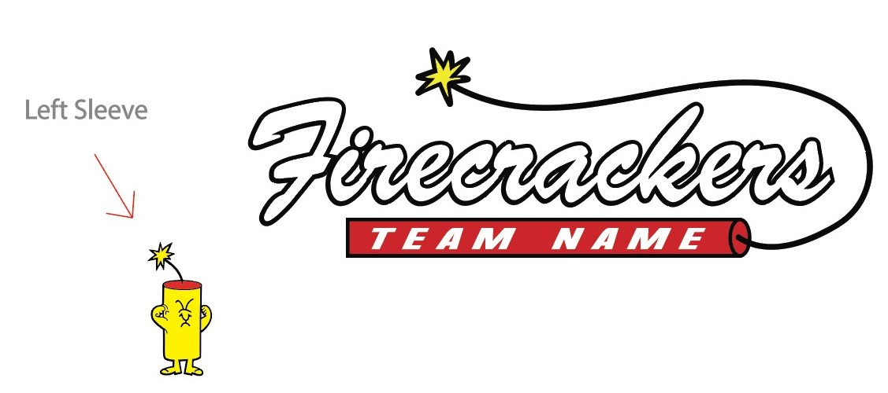

Horizontal Design |  |  |  |  |  |  |  |  | Firecracker Design




Circle Design |  |  |  |  |  |  |  |  | State Design

ITEM | Price | YS | YM | YL | YXL | XS | S | M | L | XL | 2XL | 3XL | 4XL | 5XL | Total QTY | TOTAL
DRIFIT T-SHIRT CHARCOAL | $30.00 |  |  |  |  |  |  |  |  |  |  |  |  |  | 0 | $0.00
DRIFIT T-SHIRT RED | $30.00 |  |  |  |  |  |  |  |  |  |  |  |  |  | 0 | $0.00
DRIFIT T-SHIRT BLACK | $30.00 |  |  |  |  |  |  |  |  |  |  |  |  |  | 0 | $0.00
DRIFIT T-SHIRT WHITE | $30.00 |  |  |  |  |  |  |  |  |  |  |  |  |  | 0 | $0.00
LADIES DRIFIT T-SHIRT CHARCOAL | $30.00 | X | X | X | X |  |  |  |  |  |  | X | X | X | 0 | $0.00
LADIES DRIFIT T-SHIRT RED | $30.00 | X | X | X | X |  |  |  |  |  |  | X | X | X | 0 | $0.00
LADIES DRIFIT T-SHIRT BLACK | $30.00 | X | X | X | X |  |  |  |  |  |  | X | X | X | 0 | $0.00
LADIES DRIFIT T-SHIRT WHITE | $30.00 | X | X | X | X |  |  |  |  |  |  | X | X | X | 0 | $0.00
LADIES V-NECK DRIFIT T-SHIRT CHARCOAL | $30.00 | X | X | X | X |  |  |  |  |  |  | X | X | X | 0 | $0.00
LADIES V-NECK DRIFIT T-SHIRT RED | $30.00 | X | X | X | X |  |  |  |  |  |  | X | X | X | 0 | $0.00
LADIES V-NECK DRIFIT T-SHIRT BLACK | $30.00 | X | X | X | X |  |  |  |  |  |  | X | X | X | 0 | $0.00
LADIES V-NECK DRIFIT T-SHIRT WHITE | $30.00 | X | X | X | X |  |  |  |  |  |  | X | X | X | 0 | $0.00
DRIFIT LONGSLEEVE CHARCOAL | $30.00 |  |  |  |  | X |  |  |  |  |  |  |  |  | 0 | $0.00
DRIFIT LONGSLEEVE RED | $30.00 |  |  |  |  | X | X | X |  | X |  | X |  |  | 0 | $0.00
DRIFIT LONGSLEEVE BLACK | $30.00 |  |  |  |  | X | X | X | X | X | X | X |  |  | 0 | $0.00
DRIFIT LONGSLEEVE WHITE | $30.00 |  |  |  |  | X |  |  |  |  |  |  |  |  | 0 | $0.00
TRI-BLEND TEE GRAPHITE HEATHER | $22.00 |  |  |  |  |  |  |  |  |  |  |  |  | X | 0 | $0.00
TRI-BLEND TEE RED | $22.00 |  |  |  | X |  |  |  |  |  | X | X |  | X | 0 | $0.00
TRI-BLEND TEE BLACK | $22.00 |  |  |  |  |  | X |  | X | X |  | X |  | X | 0 | $0.00
TRI-BLEND TEE WHITE | $22.00 |  |  |  |  |  |  |  |  |  |  |  |  | X | 0 | $0.00
LADIES V-NECK TRI-BLEND TEE GRAPHITE HEATHER | $22.00 | X | X | X | X |  |  |  |  |  |  | X | X | X | 0 | $0.00
LADIES V-NECK TRI-BLEND TEE RED | $22.00 | X | X | X | X |  |  |  |  |  |  | X | X | X | 0 | $0.00
LADIES V-NECK TRI-BLEND TEE BLACK | $22.00 | X | X | X | X |  |  |  |  | X | X | X | X | X | 0 | $0.00
LADIES V-NECK TRI-BLEND TEE WHITE | $22.00 | X | X | X | X |  |  |  |  |  |  | X | X | X | 0 | $0.00
TRI-BLEND LONGSLEEVE GRAPHITE HEATHER | $22.00 | X |  |  |  |  |  |  |  |  |  |  |  | X | 0 | $0.00
TRI-BLEND LONGSLEEVE RED | $22.00 | X |  |  |  |  |  |  | X |  |  |  | X | X | 0 | $0.00
TRI-BLEND LONGSLEEVE BLACK | $22.00 |  |  |  |  |  |  | X | X | X |  |  |  | X | 0 | $0.00
TRI-BLEND LONGSLEEVE WHITE | $22.00 |  |  |  |  |  |  |  |  |  |  | X | X | X | 0 | $0.00
LADIES TRI-BLEND CROPPED TEE OXFORD | $22.00 | X | X | X | X | X |  | X |  |  |  | X | X | X | 0 | $0.00
LADIES TRI-BLEND CROPPED TEE RED | $22.00 | X | X | X | X |  |  |  |  |  |  | X | X | X | 0 | $0.00
LADIES TRI-BLEND CROPPED TEE BLACK | $22.00 | X | X | X | X |  |  |  |  |  |  | X | X | X | 0 | $0.00
LADIES TRI-BLEND CROPPED TEE WHITE | $22.00 | X | X | X | X |  |  |  |  |  |  | X | X | X | 0 | $0.00
FITFLEX COTTON TEE CHARCOAL | $25.00 | X | X | X | X |  |  |  | X |  | X |  |  | X | 0 | $0.00
FITFLEX COTTON TEE RED | $25.00 | X | X | X | X |  |  |  |  |  |  | X |  | X | 0 | $0.00
FITFLEX COTTON TEE BLACK | $25.00 | X | X | X | X |  |  |  |  |  |  |  |  | X | 0 | $0.00
FITFLEX COTTON TEE WHITE | $25.00 | X | X | X | X |  |  |  |  |  |  |  |  | X | 0 | $0.00
LADIES FITFLEX COTTON TEE CHARCOAL | $25.00 | X | X | X | X |  |  |  |  |  |  | X | X | X | 0 | $0.00
LADIES FITFLEX COTTON TEE RED | $25.00 | X | X | X | X |  |  |  |  |  |  | X | X | X | 0 | $0.00
LADIES FITFLEX COTTON TEE BLACK | $25.00 | X | X | X | X |  |  |  |  |  |  | X | X | X | 0 | $0.00
LADIES FITFLEX COTTON TEE WHITE | $25.00 | X | X | X | X |  |  |  |  |  |  | X | X | X | 0 | $0.00
FITFLEX LONGSLEEVE CHARCOAL | $25.00 | X | X | X | X |  |  |  |  |  |  | X | X | X | 0 | $0.00
FITFLEX LONGSLEEVE RED | $25.00 | X | X | X | X |  |  |  |  |  |  | X | X | X | 0 | $0.00
FITFLEX LONGSLEEVE BLACK | $25.00 | X | X | X | X |  |  |  |  |  |  | X | X | X | 0 | $0.00
FITFLEX LONGSLEEVE WHITE | $25.00 | X | X | X | X | X |  |  |  |  |  | X | X | X | 0 | $0.00
DRIFIT TANK TOP CHARCOAL | $22.00 | X | X | X | X |  |  |  |  |  |  | X | X | X | 0 | $0.00
DRIFIT TANK TOP RED | $22.00 | X | X | X | X |  |  |  |  |  |  | X | X | X | 0 | $0.00
DRIFIT TANK TOP BLACK | $22.00 | X | X | X | X |  |  |  |  |  |  | X | X | X | 0 | $0.00
DRIFIT TANK TOP WHITE | $22.00 | X | X | X | X |  |  |  |  |  |  | X | X | X | 0 | $0.00
TRI-BLEND TANK TOP GRAPHITE HEATHER | $22.00 | X | X | X | X |  | X |  | X |  | X | X | X | X | 0 | $0.00
TRI-BLEND TANK TOP RED | $22.00 | X | X | X | X |  |  |  |  |  |  | X | X | X | 0 | $0.00
TRI-BLEND TANK TOP BLACK | $22.00 | X | X | X | X |  | X | X | X |  |  | X | X | X | 0 | $0.00
TRI-BLEND TANK TOP WHITE | $22.00 | X | X | X | X |  | X | X |  |  |  | X | X | X | 0 | $0.00
TONAL BLEND TANK TOP BLACK | $22.00 | X | X | X | X |  |  |  |  |  |  | X | X | X | 0 | $0.00
TONAL BLEND TANK TOP RED | $22.00 | X | X | X | X |  |  |  |  |  |  | X | X | X | 0 | $0.00
LADIES CREWNECK SWEATSHIRT (Pockets) CHARCOAL | $45.00 | X | X | X | X |  |  |  |  |  |  | X | X | X | 0 | $0.00
LADIES CREWNECK SWEATSHIRT (Pockets) BLACK | $45.00 | X | X | X | X |  |  |  |  |  |  | X | X | X | 0 | $0.00
LADIES CREWNECK SWEATSHIRT (Pockets) RED NEW COLOR | $45.00 | X | X | X | X | X |  |  |  |  | X | X | X | X | 0 | $0.00
COTTON BLEND HOODIE CHARCOAL NEW COLOR | $42.00 |  |  |  |  |  |  |  |  |  |  |  |  | X | 0 | $0.00
COTTON BLEND HOODIE BLACK | $42.00 |  |  |  |  |  |  |  |  |  |  |  |  | X | 0 | $0.00
COTTON BLEND HOODIE RED | $42.00 |  |  |  |  |  |  |  |  |  |  | X |  | X | 0 | $0.00
PERFORMANCE HOODIE CHARCOAL NEW COLOR | $45.00 |  |  |  |  |  |  |  |  |  |  |  |  | X | 0 | $0.00
PERFORMANCE HOODIE BLACK | $45.00 |  |  |  |  |  |  |  |  |  |  |  | X | X | 0 | $0.00
PERFORMANCE HOODIE RED | $45.00 | X |  |  | X |  |  |  | X | X | X | X |  | X | 0 | $0.00
COTTON CREWNECK CHARCOAL NEW COLOR | $40.00 |  |  |  |  |  |  |  |  |  |  |  |  | X | 0 | $0.00
COTTON CREWNECK BLACK | $40.00 |  |  |  |  |  |  |  |  |  |  |  |  | X | 0 | $0.00
COTTON CREWNECK RED | $40.00 |  |  |  |  |  |  | X |  | X |  |  |  | X | 0 | $0.00
 | TOTALS | 0 | 0 | 0 | 0 | 0 | 0 | 0 | 0 | 0 | 0 | 0 | 0 |  | 0

**** Taxes and shipping costs are not included in these prices |  |  |  |  |  |  |  |  |  |  |  |  |  |  | SUBTOTAL | $0.00
**** These items WILL NOT be available in our FC gear store nor online store

